Table 23
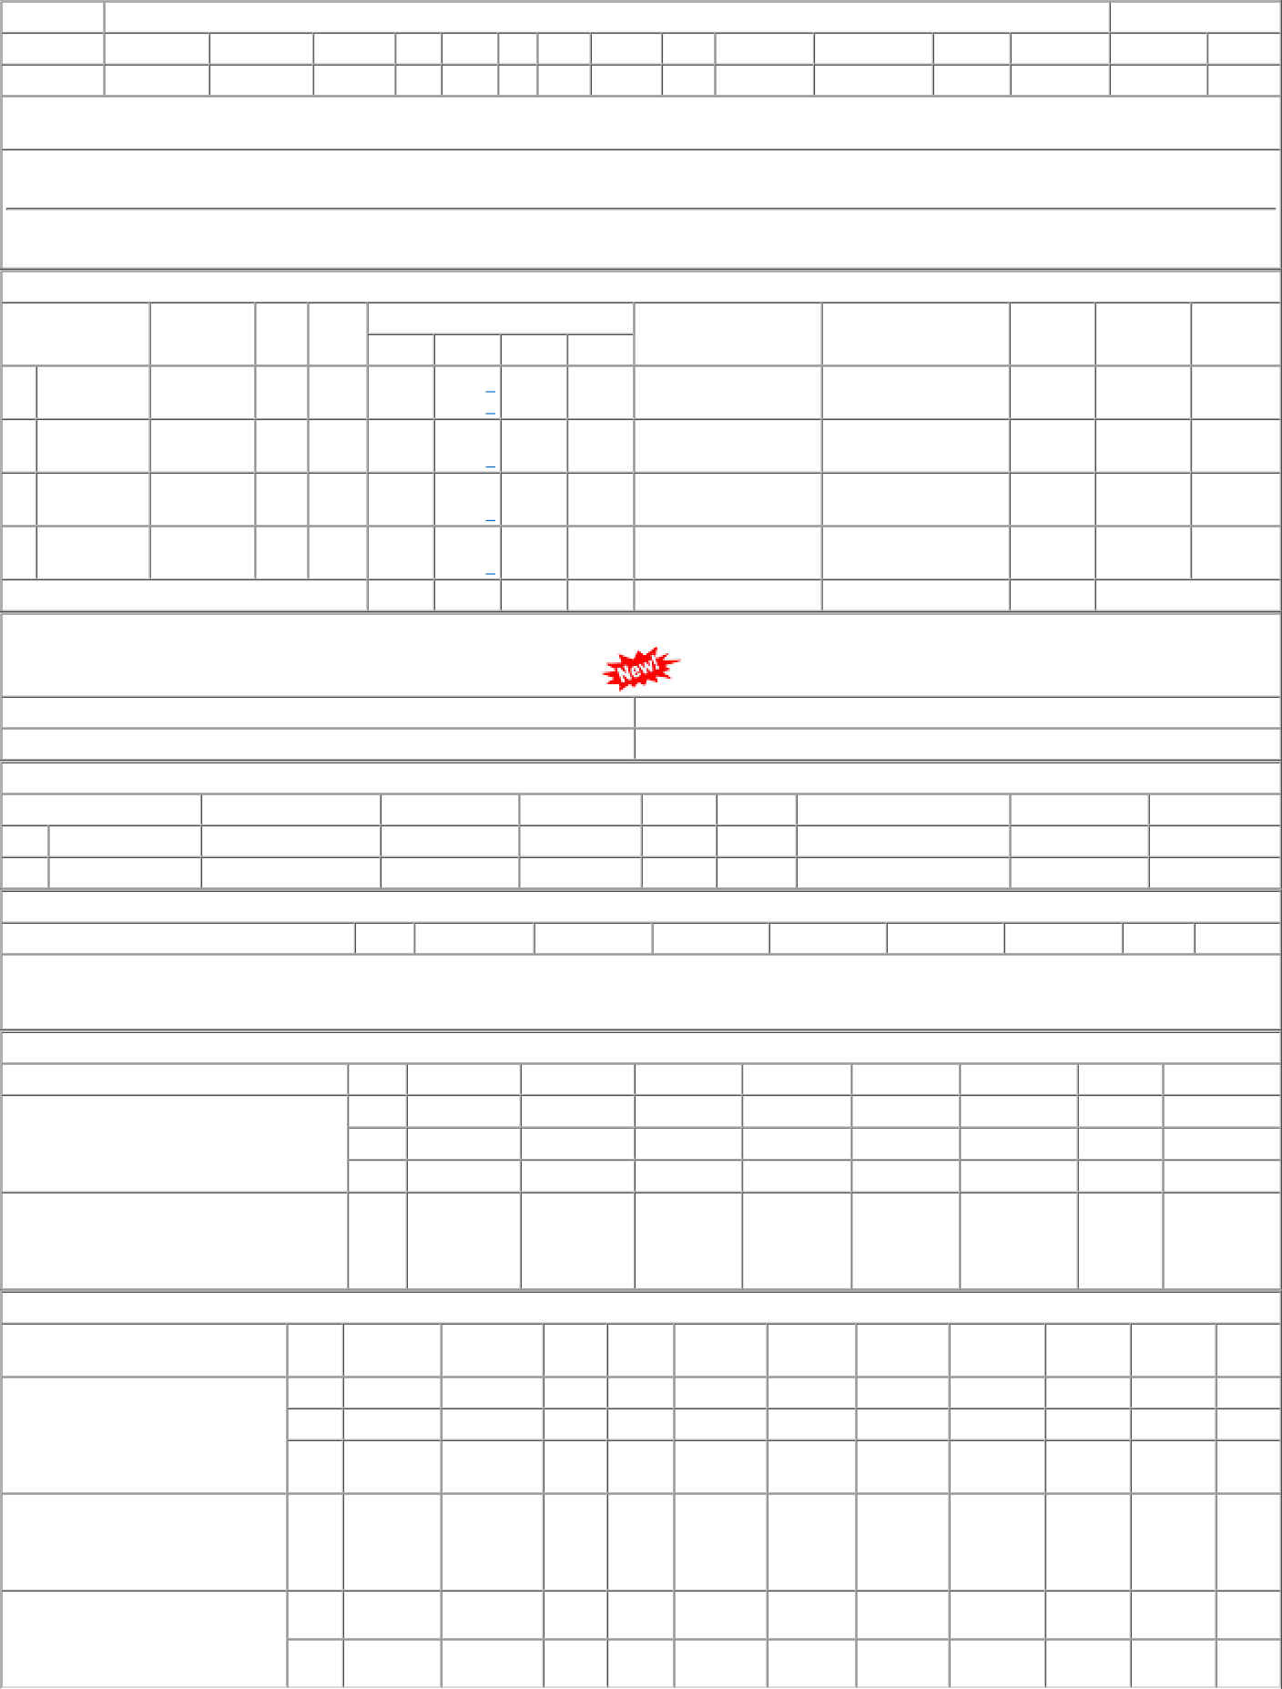
P.O.No.15221044106007 dt.29/11/22 on M/s.STEEL CENTRE-HOWRAH PO-CAT:[ Reg ] P.O.No.78221305800545 dt.08/11/22 on M/s.PCMM Office, Central Railway, Mumbai - 400001 PO-CAT:[ Reg ] P.O.No.15221044101511 dt.28/03/22 on M/s.TIWARI ENTERPRISE-HOWRAH PO- CAT:[ Reg ] | 001 002 003 002 001 002 | PL-CR BVPW PRTN- CW BVPW PL-CR BVPW | 896.80 896.80 896.80 1013.05 1003.00 1003.00 | 319 142 7 100 470 100 | Nos. 0 Nos. 0 Nos. 0 Nos. 0 Nos. 0 Nos. 0 | 0 0 0 0 0 0 0 100 0 468 0 100 | 31/05/23 31/05/23 31/05/23 07/01/23 26/07/22 26/07/22 | 01/04/23 31/05/23 OP 01/04/23 31/05/23 OP 01/04/23 31/05/23 OP 07/01/23 OP 26/07/22 OP 26/07/22 OP

